General Design Guidlines
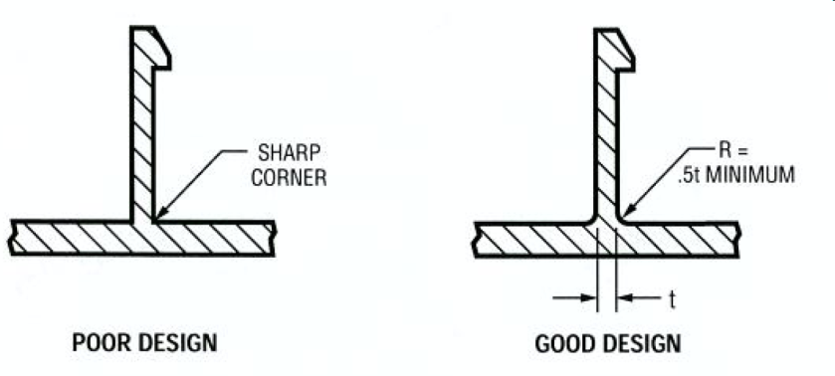
Apply a 0.5t radius at base of snap. This helps with material fill in the mold and also to remove the stress rising sharp corner.
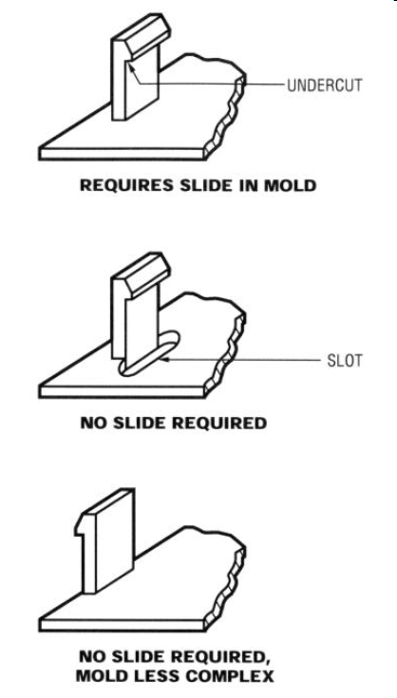
Whenever possible design the snap so that no action is required in the injection mold tool.
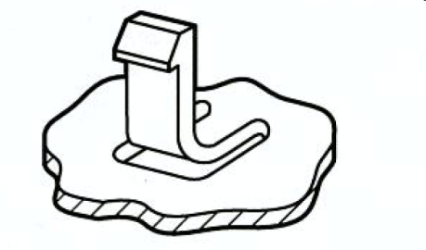
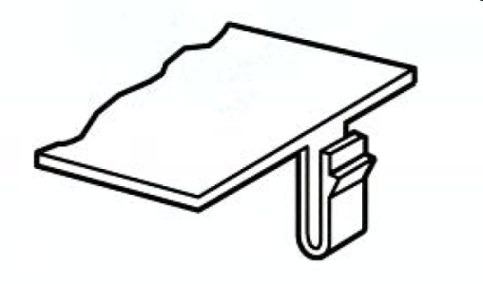
"L" and "U" shaped snaps can be used when packaging space is tight or when a material with a low permissible strain is being used (such as high glass filled materials). These designs effectively increase the beam length to help keep the maximum strain down. The most common way to execute the "L" shaped snap is to simply put slots in the wall thickness on each side of the snap.

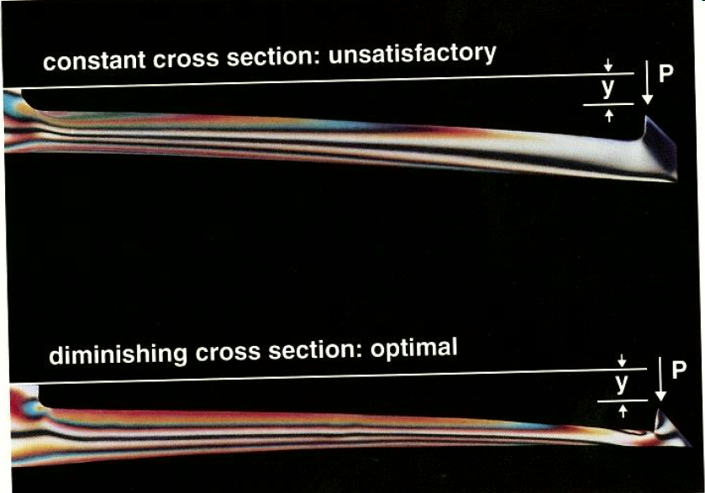
Whenever possible use a tapered snap design to help keep the strain in the outer fibers uniform. In this example the thickness at the tip is only 30% of the thickness at the base.
Whenever possible a material with the highest permissible strain should be used. Materials that are brittle would not be ideal for this type of application.

Materials with little spring back, such as PP and PE, do not perform well with these types of snap fit designs. They require unique designs not covered in this design guide. They tend to yield and whiten and not want to return to the original position.

START HERE
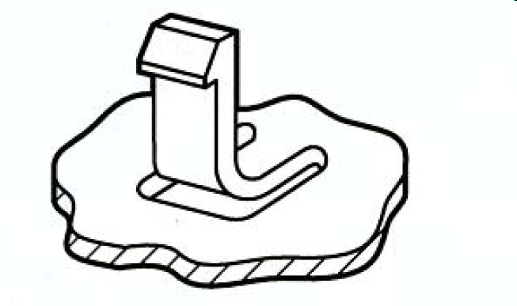
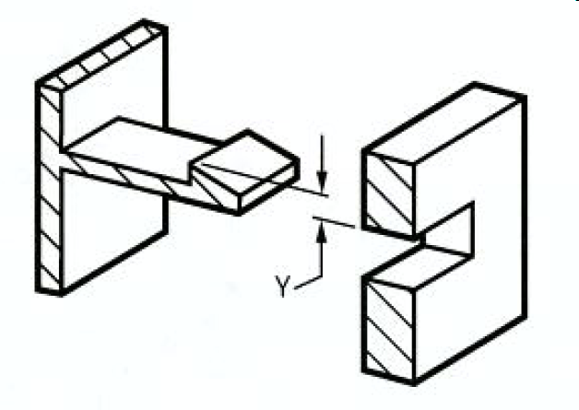

Select which snap fit type you are using

Click Here | Cantilever Snap | Click Here | U Shaped Canilever | Click Here | L Shaped Cantilever

Cantilever Snap
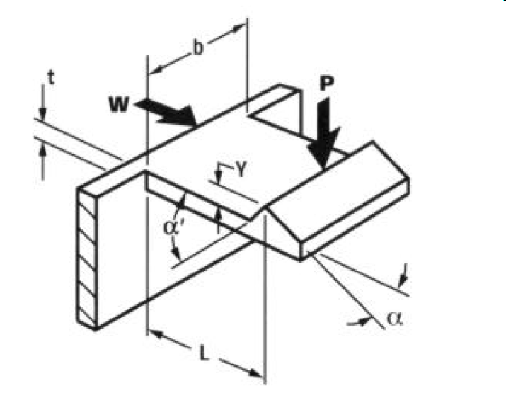
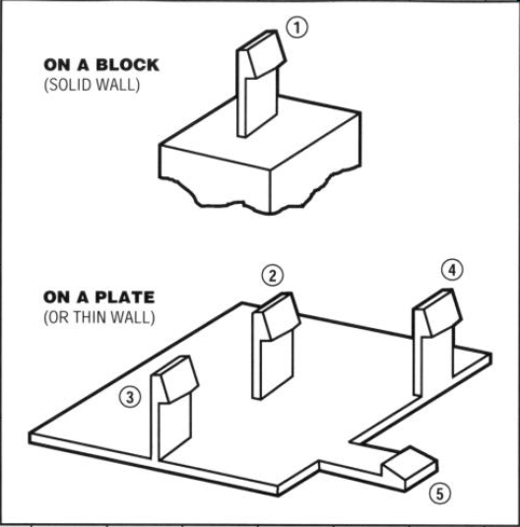
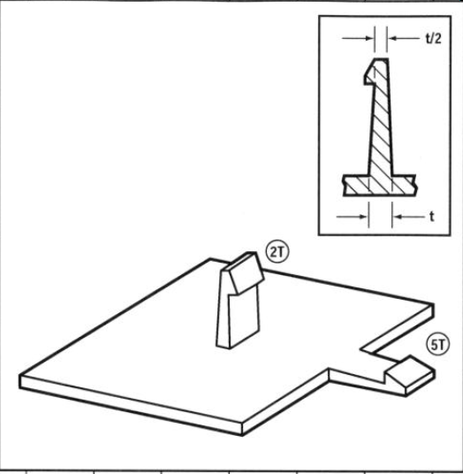
Q Factor Selection
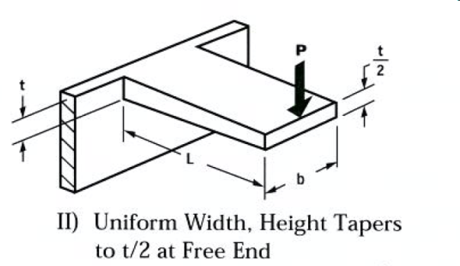
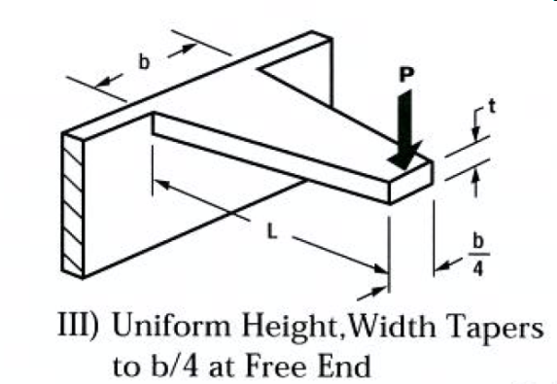
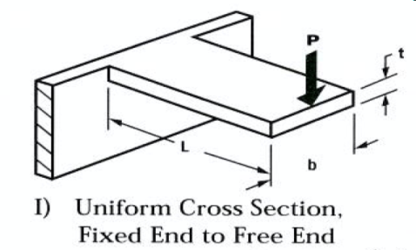
2
3
Beam Type
1
Material Inputs
Flexural Modulus | E | Gpa | 2.69 | Click Here |  | for material properties
Permissible Strain | ε0 | % | 3.6
Coefficient of Friction | μ | - | 0.6

Design inputs
Beam Thickness | t | mm | 2.00
Beam Length | L | mm | 12.00
Beam Width | b | mm | 10.00
Lead Angle | α | ° | 90
Return Angle | α' | ° | 1
Deflection | Y | mm | 1.00
Beam Type | - | - | 1
Q Factor | Q | - | 4

Outputs
If all design inputs are known/constrained and you need to select a material. Find a material with a permissible strain higher than the calculated max strain. |  |  |  | Max Strain | ε |  | % | 1.19
If the material is known/constrained and all other design inputs are known. The maximum deflection can be calculated. |  |  |  | Max Deflection | Y |  | mm | 3.02
If all design and material inputs are known. The deflection force can be calculated. |  |  |  | Deflection Force | P |  | N | 30.74
 |  |  |  |  |  |  | Lbf | 6.91
If design and material inputs are known. The insertion force can be calculated. |  |  |  | Push-on Force | W |  | N | -51.24
 |  |  |  |  |  |  | Lbf | -11.52
If design and material inputs are known. The extraction force can be calculated. |  |  |  | Pull-off Force | W' |  | N | 19.18
 |  |  |  |  |  |  | Lbf | 4.31

 |  | Input Field
 |  | Output Field

"L" Shaped
Material Inputs
Flexural Modulus | E | Gpa | 1.39 | Click Here |  | for material properties
Permissible Strain | ε0 | %
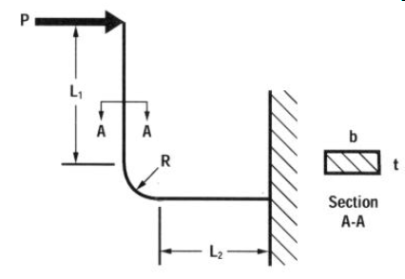
Design inputs
Beam Thickness | t | mm | 1.48
Beam Width | b | mm | 7.19
Length 1 | L1 | mm | 7.24
Radius at neutral axis | R | mm | 0.75
Length 2 | L2 | mm | 0.70
Deflection | Y | mm | 1.44

Outputs
If all design inputs are known/constrained and you need to select a material. Find a material with a permissible strain higher than the calculated max strain. |  |  |  | Max Strain | ε |  | % | 3.5
If the material is known/constrained and all other design inputs are known. The minimum L2 length can be calculated. |  |  |  | Minimum Leg Length | L2 |  | mm | Input Strain | * Copy L2 into Design inputs once known
If the material is known/constrained and all other design inputs are known. The maximum deflection can be calculated. |  |  |  | Max Deflection | Y |  | mm | Input Strain
If all design and material inputs are known. The deflection force can be calculated. |  |  |  | Deflection Force | P |  | N | 15.99
 |  |  |  |  |  |  | Lbf | 3.59

 |  | Input Field
 |  | Output Field

"U" Shaped
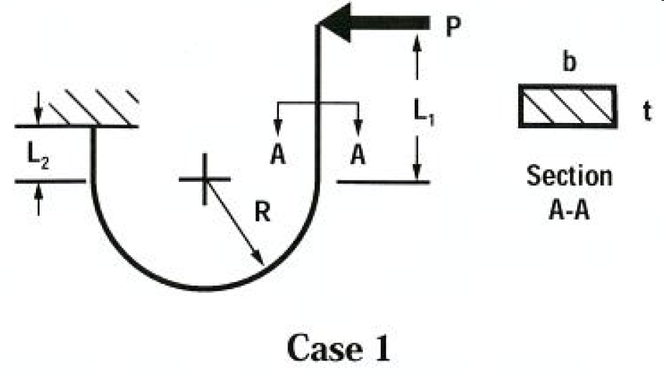
Material Inputs
Flexural Modulus | E | Gpa | 2.69 | Click Here |  | for material properties
Permissible Strain | ε0 | % | 3.60

Design inputs - Case 1
Beam Thickness | t | mm | 2.00
Beam Width | b | mm | 5.00
Length 1 | L1 | mm | 7.20
Radius | R | mm | 5.00
Length 2 | L2 | mm | 0.50
Deflection | Y | mm | 2.00
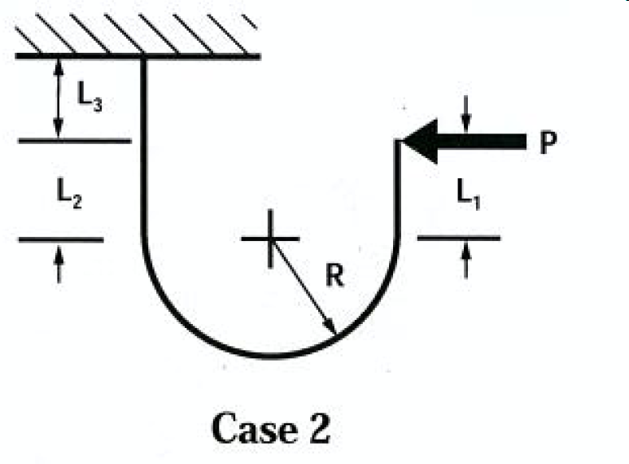
Design inputs - Case 2
Beam Thickness | t | mm
Beam Width | b | mm
Length 1 | L1 | mm
Radius | R | mm
Length 2 | L2 | mm
Length 3 | L3 | mm
Deflection | Y | mm

Outputs
 |  |  |  |  |  |  |  | Case 1 | Case 2
If all design inputs are known/constrained and you need to select a material. Find a material with a permissible strain higher than the calculated max strain. |  |  |  | Max Strain | ε |  | % | 1.3 | Input Thickness
If the material is known/constrained and all other design inputs are known. The maximum deflection can be calculated. |  |  |  | Max Deflection | Y |  | mm | 5.55 | Input Thickness
If all design and material inputs are known. The deflection force can be calculated. |  |  |  | Deflection Force | P |  | N | 9.54 | Input Thickness
 |  |  |  |  |  |  | Lbf | 2.15 | -

 |  | Input Field
 |  | Output Field

Material Prop Ref.
Note: Permissible Strain is 70% of the tensile strain at yield for for materials with clear yield point and 50% of the strain at break for materials that break without yielding, as is the case for most glass filled materials.
Permissible Strain
Material | ε0 (%)
GEON MP100 - Polyvinyl Chloride (PVC) | 3.5
GEON MP101 - Polyvinyl Chloride (PVC) | 3.5
INEOS Lustran 248 - Acrylonitrile, Butadiene, Styrene (ABS) | 3.6
BASF LURAN 757G UV - Acrylonitrile, Styrene, Acrylate (ASA) | 3.3
Ticona Celcon M90-34 Acetal (POM) | 7.7
BASF Ultramid 1500-2 Polyamide (Nylon) | 1.5

Note: Double check these numbers to the material properties of the exact resin you plan to use. They can vary greatly between grades and suppliers and it is critical to use the correct value for accurate results.
Also keep in mind to add a safety factor where possible to increase robustness.
Flexural Modulus
Material | E (GPa)
GEON MP100 - Polyvinyl Chloride (PVC) | 2.483
GEON MP101 - Polyvinyl Chloride (PVC) | 2.344
INEOS Lustran 248 - Acrylonitrile, Butadiene, Styrene (ABS) | 2.690
BASF LURAN 757G UV - Acrylonitrile, Styrene, Acrylate (ASA) | 2.230
Ticona Celcon M90-34 Acetal (POM) | 2.450
BASF Ultramid 1500-2 Polyamide (Nylon) | 8.280

Coefficient of Friction
Material | μ
GEON MP100 - Polyvinyl Chloride (PVC) | 0.20-0.30
GEON MP101 - Polyvinyl Chloride (PVC) | 0.20-0.30
INEOS Lustran 248 - Acrylonitrile, Butadiene, Styrene (ABS) | 0.50-0.60
BASF LURAN 757G UV - Acrylonitrile, Styrene, Acrylate (ASA)
Ticona Celcon M90-34 Acetal (POM) | 0.20-0.35
BASF Ultramid 1500-2 Polyamide (Nylon) | 0.15-0.25

